QEIA Guidance
Quality Impact Assessment
NHS Derby and Derbyshire Integrated Care Board (the “ICB”) is committed to ensuring that there is a robust analytical approach to transformational change and other business decisions that considers the impact on quality. This may include -Planning of services -Developing and considering proposals for changes to services -Decisions about stopping/decommissioning services -New projects or initiatives -Procurement -Service specification development -Policy/guideline review or implementation Identifying and understanding the risks and consequences - The QEIA process is owned by task leads and is a continuous process, which enables decision makers and task owners to think through and understand the risks and consequences of possible business changes. Balance – focus on the patient experience, effectiveness and safety and equality when evaluating your proposals. Assurance - that transformational change proposals are not signed off without sufficient assurance that implementation of the plans will not compromise the quality and equality of services to patients or that there are/will be appropriate mitigations in place. Understanding co-dependencies in the system - In the complex NHS system, where proposals in one part of the service can impact upon another with many co-dependencies that are not always easy to predict or assess a formal quality impact assessment process is essential.

1. WHEN TO COMPLETE THE QEIA

Task leads should consider completing a QEIA at the “case for change” stage of any service change to understand any quality or equality risks and opportunities in building options. As the QEIA is a continuous process it is expected that it should be updated at intervals in the task’s lifespan. During the final review after the plan has been implemented to ensure mitigations are appropriate for any identified risks No umbrella QEIA submissions, each element/option should have a QEIA If the task only affects one provider, then the QEIA should be considered as part of the provider’s internal process. ICB led decisions or those that affect more than one provider should be considered at the JUCD system QEIA Group.

2. THE QEIA PROCESS

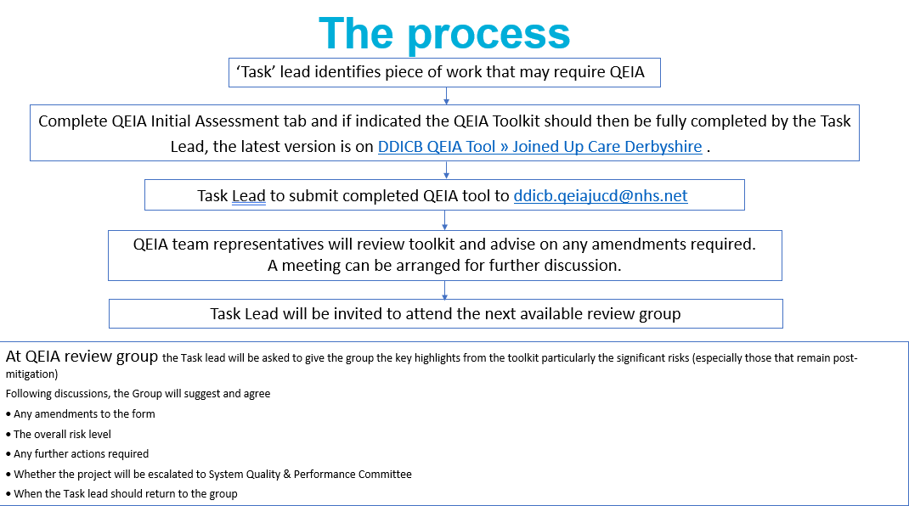

3. HOW TO USE THE QEIA TOOLKIT

READ THIS GUIDANCE ONLY COMPLETE THE GREEN TABS COMPLETE THE INITIAL ASSESSMENT DOCUMENT - THIS WILL DETERMINE IF YOU NEED A FULL QEIA WHEN COMPLETING THE REST OF THE TOOLKIT AND ASSESSING RISK MAKE IT CLEAR WITHIN THE FRONT SHEET WHAT QUESTION THE TOOLKIT IS CONSIDERING NOTE THIS CAN ONLY BE ONE QUESTION.IE YOU CANNOT ASSESS BOTH THE RISKS OF IMPLEMENTING A SERVICE AND WHAT WILL HAPPEN IF YOU DON'T IMPLEMENT IT WITHIN ONE TOOLKIT. IF THIS TYPE OF ASSESSMENT IS REQUIRED AS PART OF AN OPTIONS APPRAISAL YOU WILL NEED ONE TOOLKIT FOR EACH OPTION/QUESTION

3a. HOW TO USE THE QEIA INITIAL ASSESSMENT TAB

Initial Assessment Use this form as a screening tool to determine if your task/project/proposal needs a full QEIA consideration including review with the QEIA group Answer questions 1-14 using the drop down boxes If you answer YES to any of the questions complete the 'impact' box by selecting from the drop down list. It should be noted that while the overall impact of the project may be considered positive it may still have some negative impacts that need to be assessed in greater depth. e.g. a new service may be implemented which inherits a large waiting list that will take years to clear - this of course is positive overall, however for those remaining on the waiting list there may be a negative impact which will need risk assessing and mitigating. In this example select mixed impact and move to completing the rest of the form

3b. HOW TO USE THE QEIA FRONT SHEET

Front Sheet Add as much detail as possible to the headings/title boxes – these will link to the following tabs where appropriate Project Overview Tell us about your project/the task you are presenting to QEIA group. You should include the current service (if there is one) and the changes or additional things that are being introduced as part of your work. Additional information box Add any information in here that you think would be helpful for the group to understand your project/task. You can embed documents here e.g. business cases.

3c. QEIA Outcome tab

QEIA Outcome Tab This is the part of the form that will summarise the risk 'scores' for your project/task. You do not need to fill anything in on this tab - it will auto populate from the rest of the form This is a useful visual tool to demonstrate the quality risks associated with the project/task. Following the QEIA group meeting, the quality team will complete the admin section and return the updated form to you.

3d. HOW TO USE THE QIA TAB

QIA Tab This is the part of the form that will calculate a risk 'score' for your project/task. Although the fundamental elements of quality are safety, effectiveness and experience, there are many other elements that contribute to the overall "Quality". Each section has been designed to capture this although only the fundamental elements (post mitigation) will be used to calculate the risk score. Each section is broken down into 2 parts using patient safety as an example 1. What are the potential impacts on patient safety associated with the task? In the details box you should describe all the potential impacts (positive and negative) using the questions as prompts, although these are not exhaustive. You should then 'score' the potential negative impacts – this will give a risk score before mitigation. It should be noted that while the overall impact of the project may be considered positive it may still have some negative impacts that need to be assessed. e.g. a new service may be implemented which inherits a large waiting list that will take years to clear - this of course is positive overall, however for those remaining on the waiting list there may be a negative impact which will need risk assessing and mitigating 2. POST MITIGATION - In the details box you should describe the mitigations to reduce the negative impacts/risks you have identified and then 'score' both the consequence and impact of the potential negative impacts again with these mitigations in place – this will give a risk score post mitigation which will contribute to the overall risk score. The QIA tab also contains links to PPI forms and asks about EIA (equality impact assessment) and SIA (sustainability impact assessment) which is contained within this tool and DPIA (Data Protection Impact Assessment) KEY POINTS TO REMEMBER JUCD QEIA group is not an approval panel - We give advice and support around identification of key risks and mitigations JUCD QEIA group meets monthly (2nd Tuesdays at 9

Initial Assessment
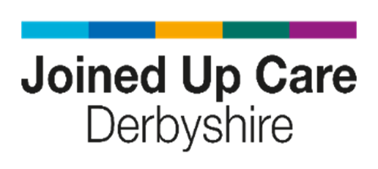
Initial Impact Assessment - Screening Tool
Project Title: |  |  | Date Completed:

Lead: |  | Will this change remove budget? | Yes | No | Tracker Ref:

Brief description of change:
This is an initial assessment which will help determine whether a more detailed assessment is required. Please select yes or no for each option
 | Will the proposal have a disproportionate impact on:
 |  |  |  |  | If Yes, will the impact be positive or negative or mixture of both? | If yes, please provide details:
1 | Patient Safety - is there any potential impact in regards to harm and risks to patient safety?
2 | Patient Experience - will there be an impact on patient experience?
3 | Clinical Effectiveness - is the change evidenced as part of a change in clinical practice or derived from research?
4 | Workforce - will there be any impact on staff?
5 | Long Term Sustainability - will there be an impact on clinical support, interdependencies with prior initiatives, projected return on investment, resource implications, or wider stakeholders?
6 | Performance - Will the proposed change impact service delivery, organisational performance targets, care pathway outcomes, value for patients or populations, and clinical outcomes?
7 | Strategic Objectives & Governance - Does the proposal impact clinical and system partners, governance and regulatory requirements, and NHS and ICB strategic objectives?”
8 | Pharmacy - Will there be an impact on the prescribing of medicines in any way (e.g. changes to treatment pathways, who prescribes the medication, where prescriptions are issued or the quantities prescribed)?
9 | Data Security - is there any change to the way data is used or a risk of confidentiality?
10 | Equality - is there an impact on people with one or more protected characteristics? See EIA tab
11 | Sustainability - Does the project impact the NHS commitment to reach carbon net zero? See SIA tab

 | In addition please consider if the proposal will:
 |  |  |  |  | If Yes, will the impact be positive or negative or mixture of both? | If yes, please provide details:
11 | Result in change noticeable to patients or carers?
12 | Be likely to result in political, consumer champion or media interest or has already had significant public interest?
13 | Impact those eligible to access the service e.g. by changing referral criteria/method of access/ where or when it will be delivered?
14 | Does this business decision reduce a recognised risk as contained on the Organisation's risk register?

DO I NEED A FULL QEIA?
If you answered 'NO' to all of the above questions, or 'YES' but there will be a positive impact, no further steps need to be taken. Please ensure this template is shared through governance processes

If you answered 'YES' and there will be a mixed or negative impact, a full QEIA is required

FRONT SHEET
 |  |  | version 2025.09 | 
 | Quality & Equality Impact Assessment Summary
 |  | Quality Equality Impact Assessment (QEIA) | Date QEIA completed: (also add dates of any updates)
 |  |  | Planned Review Date:

 |  | Project Name:

 |  | Clinical Lead:

 |  | Project Lead Name and Contact Details: | Programme Lead Name and Contact Details :

 |  | Is the project on ePMO?

 |  | If YES insert your Unique Ref here: | Have you updated your QEIA status within ePMO?
 | Project Overview
 | Please describe the Current Service and your planned changes/new developments

 | Any additional information that would be useful for QEIA group to be aware of - Has this been through governance? What areas/providers will be affected? Who will be affected and has there been any engagement? What are the funding arrangements/financial implications for the proposal? Please embed any business cases/supporting documents

 | PLEASE NOTE: Review Meeting are unable to review or consider incomplete QEIAs

